CW1
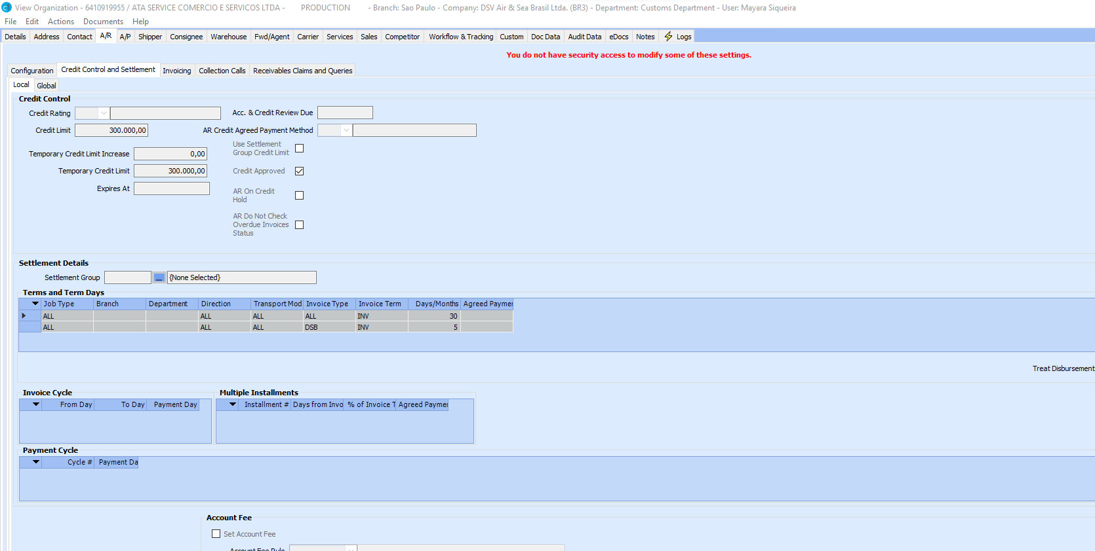

Sheet1
Not Started | 44
On track | 19
Finished | 5
Total | 68

